Nov-18
 |  | Vessel still clear area COSL 221
VESSEL DAILY REPORT

VESSEL NAME | TB MITRA ANUGERAH 32 |  |  |  |  | MAIN ENGINE (HP) |  | 1030X2 |  |  |  | DATE : |  | 2019-09-13
 |  |  |  |  |  | AE ENGINE (HP) |  | 62.5 KVA

OPERATION ACTIVITY |  |  |  |  |  | TIME |  | Engine RPM |  |  | SPEED | NO | NAME | RANK |  | ONBOARD DATE
 |  |  |  |  |  | FROM | TO | ME-Port | ME-C | ME-Stbd
Stby, Drop Ancore at clear Area cinta terminal,114 |  |  |  |  |  | 0:00:00 | 7:36:00 |  |  |  |  | 1 | ANDI MUHAMMAD AMRI | Master |  | 15 AGUSTUS2019
sbe, ancore up menuju cinta terminal |  |  |  |  |  | 7:36:00 | 7:54:00 | 800 |  | 800 | 7 | 2 | QURAISY DAHLAN | Ch Officer |  | 15 AGUSTUS2019
pic up 1 drum chemical |  |  |  |  |  | 07;54 | 08;36 |  |  |  |  | 3 | ANDI WIRDIAWAN | 2nd Officer |  | 15 AGUSTUS2019
clear go to megawati pick up 2 person/clear to ina permata |  |  |  |  |  | 8:36:00 | 8:48:00 |  |  |  |  | 4 | ICHAN | 3rd Officer |  | 15 AGUSTUS2019
competed moring line 114 |  |  |  |  |  | 08;48 | 09;06 |  |  |  |  | 5 | HERMAN | Ch Engineer |  | 15 AGUSTUS2019
pick up 1 person crew ina permata |  |  |  |  |  | 9:06:00 | 9:24:00 |  |  |  |  | 6 | EKO SUNARYO LAGAY | 2nd Engineer |  | 15 AGUSTUS2019
clear 4person at 114 ship |  |  |  |  |  | 9:24:00 | 9:30:00 |  |  |  |  | 7 | SUPRIADI | 3rd Engineer |  | 15 AGUSTUS2019
clear drop 2 personil at 114, |  |  |  |  |  | 9:30:00 | 9:36:00 |  |  |  |  | 8 | IRWANZAH RAHMAN | AB/COOK |  | 15 AGUSTUS2019
drop 1 drum chemical at 114 |  |  |  |  |  | 9:36:00 | 10:06:00 |  |  |  |  | 9 | ANDI IMRAN | AB/COOK |  | 15 AGUSTUS2019
stop engine |  |  |  |  |  | 10:06:00 | 10:30:00 |  |  |  |  | 10 | MARSON | OILER |  | 15 AGUSTUS2019
sbe mooring line off at ina permata 1 |  |  |  |  |  | 10:30:00 | 13:12:00
pick up 1 net provision from 114 |  |  |  |  |  | 13:12:00 | 13:18:00
clear moring line 114 ship |  |  |  |  |  | 13:18:00 | 13:36:00
clear 2 person and provision |  |  |  |  |  | 13:36:00 | 13:54:00
clear transfer megawati V |  |  |  |  |  | 13:54:00 | 14:15:00
clear mooring line sbm export |  |  |  |  |  | 14:15:00 | 14:30:00
stop engine |  |  |  |  |  | 14:30:00 | 14:36:00
dropancore at clear area cinta terminal, |  |  |  |  |  | 14:36:00 | 15:06:00
sbe talk line mooring buoy/sbm, stop enggine |  |  |  |  |  | 15:06:00 | 15:48:00
stby, mooring line sbm export |  |  |  |  |  | 15:48:00 | 17:06:00
talk line mooring sbm export/stop engine |  |  |  |  |  | 17:06:00 | 17:54:00
stby, at moring line |  |  |  |  |  | 17:54:00 | 18:54:00
sbe, steel postion moring sbm export |  |  |  |  |  | 18:54:00 | 19:48:00
stby, at mooring line sbm export |  |  |  |  |  | 19:48:00 | 24:00:00 |  |  |  |  | Notes:

 |  |  |  |  |  |  |  |  |  |  |  | ROB (Liters) |  | Fuel Oil |  | Fresh Water

 |  |  |  |  |  |  |  |  |  |  |  | Opening Stock |  | 42,294 |  | 60
 |  |  |  |  |  |  |  |  |  |  |  | Receive |  | 0 |  | 0
 |  |  |  |  |  |  |  |  |  |  |  | Transfer |  | 0 |  | 0
 |  |  |  |  |  |  |  |  |  |  |  | Correction (Excess/Short) |  | 0 |  | 0
 |  |  |  |  |  |  |  |  |  |  |  | Consumption |  | 823 |  | 3
 |  |  |  |  |  |  |  |  |  |  |  | Closing Stock |  | 41,471 |  | 57

MPD READING |  |  | Prev. Reading (at 00:00) |  |  | Current Reading (at 24:00) |  |  | Result |  |  | Engine Operation Summary
 |  |  | Port | Center | Stbd | Port | Center | Stbd | Port | Center | Stbd | Main Engine |  | HH:MM | Aux. Engine |  | HH:MM
Trip Engine Hours |  |  |  |  |  |  |  |  | 0.00 | 0.00 | 0.00 | Full Speed |  | 0:00:00 | AE-1 |  | 12:00:00
Trip Idle Hours |  |  |  |  |  |  |  |  | 0.00 | 0.00 | 0.00 | Towing/Anchor job |  | 0:00:00 | AE-2 |  | 12:00:00
Trip Fuel (Liters) |  |  |  |  |  |  |  |  | 0.00 | 0.00 | 0.00 | Economical Speed |  | 1:39:00 | AE-3 |  | 0:00:00
Trip Idle Fuel (Liters) |  |  |  |  |  |  |  |  | 0.00 | 0.00 | 0.00 | Slow speed/Steaming |  | 4:45:00 | Emer'cy Generator |  | 00:00
Total Hours |  |  |  |  |  |  |  |  | 0.00 | 0.00 | 0.00 | Maneuver |  | 0:00:00 | Bow Thruster |  | 0:00:00
 |  |  |  |  |  |  |  |  |  |  |  | Engine Standby |  | 0:18:00
 |  |  |  |  |  |  |  |  |  |  |  | Engine Stop |  | 0:00:00
 |  |  |  |  |  |  |  |  |  |  |  | TOTAL (24 Hrs) |  | 6:42:00

ATTACHMENT / PHOTO

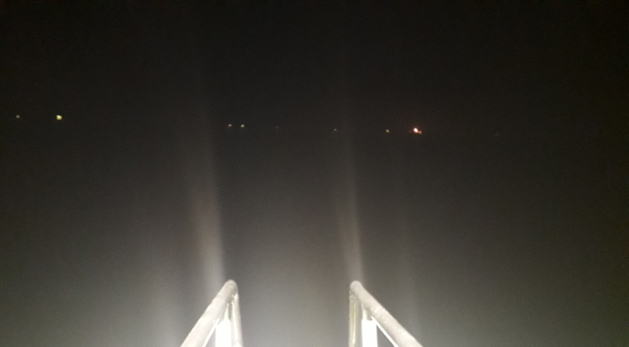 PORT |  |  |  |  |  | 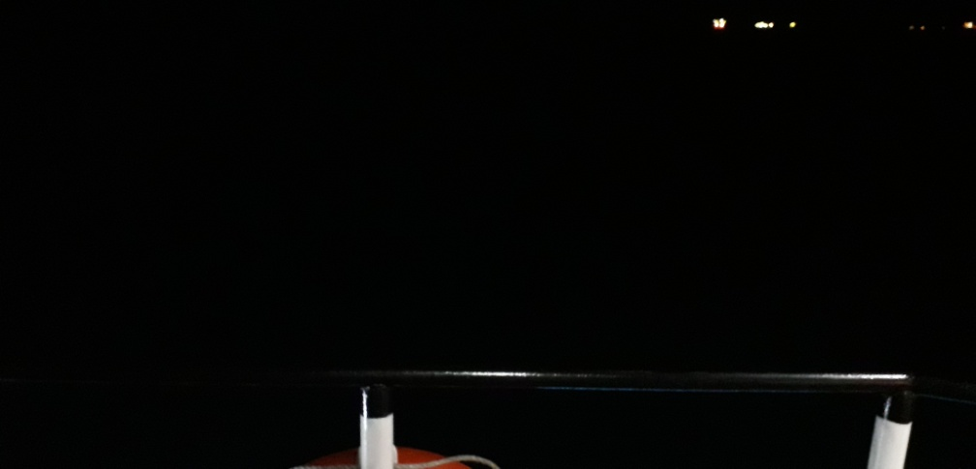 CENTER |  |  |  |  |  | STBD

CHIEF ENGINEER |  |  |  |  |  | VESSELS MASTER |  |  |  |  |  | PHE OSES HEAD OF PRODUCTION

NAME | HERMAN |  |  |  |  | NAME |  | ANDI MUHAMMAD AMRI |  |  |  | NAME

